Sheet1
ID | Title | Image | Price B2B
1 | Mizuno Morelia Sala Classic TF football boots | 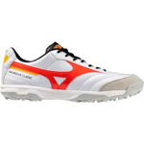 1 | 551.19
1 | Mizuno Morelia Sala Classic TF football boots | 1 | 551.19
1 | Mizuno Morelia Sala Classic TF football boots | 1 | 551.19
2 | Mizuno Morelia Sala Club TF football boots | 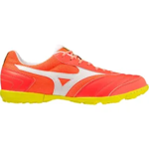 1 | 424.41
2 | Mizuno Morelia Sala Club TF football boots | 1 | 424.41
2 | Mizuno Morelia Sala Club TF football boots | 1 | 424.41
2 | Mizuno Morelia Sala Club TF football boots | 1 | 424.41
2 | Mizuno Morelia Sala Club TF football boots | 1 | 424.41
2 | Mizuno Morelia Sala Club TF football boots | 1 | 424.41
2 | Mizuno Morelia Sala Club TF football boots | 1 | 424.41
2 | Mizuno Morelia Sala Club TF football boots | 1 | 424.41
2 | Mizuno Morelia Sala Club TF football boots | 1 | 424.41
3 | Mizuno Morelia Sala Classic TF football boots | 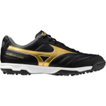 1 | 439.15
3 | Mizuno Morelia Sala Classic TF football boots | 1 | 407.59
3 | Mizuno Morelia Sala Classic TF football boots | 1 | 433.21
3 | Mizuno Morelia Sala Classic TF football boots | 1 | 402.42
3 | Mizuno Morelia Sala Classic TF football boots | 1 | 433.21
3 | Mizuno Morelia Sala Classic TF football boots | 1 | 413.92
4 | Mizuno Morelia Sala Pro TF football boots | 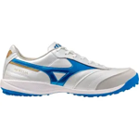 1 | 541.86
4 | Mizuno Morelia Sala Pro TF football boots | 1 | 541.86
4 | Mizuno Morelia Sala Pro TF football boots | 1 | 541.86
4 | Mizuno Morelia Sala Pro TF football boots | 1 | 541.86
4 | Mizuno Morelia Sala Pro TF football boots | 1 | 541.86
4 | Mizuno Morelia Sala Pro TF football boots | 1 | 541.86
4 | Mizuno Morelia Sala Pro TF football boots | 1 | 541.86
4 | Mizuno Morelia Sala Pro TF football boots | 1 | 541.86
4 | Mizuno Morelia Sala Pro TF football boots | 1 | 541.86
4 | Mizuno Morelia Sala Pro TF football boots | 1 | 541.86
4 | Mizuno Morelia Sala Pro TF football boots | 1 | 541.86
5 | Mizuno Morelia Sala Pro TF football boots | 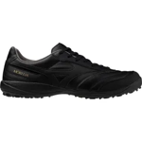 1 | 541.86
5 | Mizuno Morelia Sala Pro TF football boots | 1 | 541.86
5 | Mizuno Morelia Sala Pro TF football boots | 1 | 541.86
5 | Mizuno Morelia Sala Pro TF football boots | 1 | 541.86
5 | Mizuno Morelia Sala Pro TF football boots | 1 | 541.86
5 | Mizuno Morelia Sala Pro TF football boots | 1 | 541.86
5 | Mizuno Morelia Sala Pro TF football boots | 1 | 541.86
5 | Mizuno Morelia Sala Pro TF football boots | 1 | 541.86
5 | Mizuno Morelia Sala Pro TF football boots | 1 | 541.86
5 | Mizuno Morelia Sala Pro TF football boots | 1 | 541.86
5 | Mizuno Morelia Sala Pro TF football boots | 1 | 541.86
6 | Mizuno MRL Sala Club TF football boots | 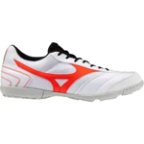 1 | 362.68
6 | Mizuno MRL Sala Club TF football boots | 1 | 362.68
6 | Mizuno MRL Sala Club TF football boots | 1 | 362.68
6 | Mizuno MRL Sala Club TF football boots | 1 | 362.68
6 | Mizuno MRL Sala Club TF football boots | 1 | 362.68
7 | Mizuno MRL Sala Club TF football boots | 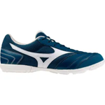 1 | 362.68
7 | Mizuno MRL Sala Club TF football boots | 1 | 362.68
7 | Mizuno MRL Sala Club TF football boots | 1 | 362.68
7 | Mizuno MRL Sala Club TF football boots | 1 | 362.68
7 | Mizuno MRL Sala Club TF football boots | 1 | 362.68
7 | Mizuno MRL Sala Club TF football boots | 1 | 362.68
7 | Mizuno MRL Sala Club TF football boots | 1 | 362.68
7 | Mizuno MRL Sala Club TF football boots | 1 | 362.68
7 | Mizuno MRL Sala Club TF football boots | 1 | 362.68
7 | Mizuno MRL Sala Club TF football boots | 1 | 351.8
7 | Mizuno MRL Sala Club TF football boots | 1 | 362.68
7 | Mizuno MRL Sala Club TF football boots | 1 | 362.68
8 | Mizuno Morelia Sala Club TF football boots | 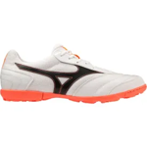 1 | 424.41
8 | Mizuno Morelia Sala Club TF football boots | 1 | 424.41
8 | Mizuno Morelia Sala Club TF football boots | 1 | 424.41
9 | Mizuno MRL Sala Club TF football boots | 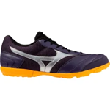 1 | 362.68
9 | Mizuno MRL Sala Club TF football boots | 1 | 362.68
9 | Mizuno MRL Sala Club TF football boots | 1 | 362.68
9 | Mizuno MRL Sala Club TF football boots | 1 | 362.68
9 | Mizuno MRL Sala Club TF football boots | 1 | 362.68
9 | Mizuno MRL Sala Club TF football boots | 1 | 362.68
9 | Mizuno MRL Sala Club TF football boots | 1 | 362.68
9 | Mizuno MRL Sala Club TF football boots | 1 | 362.68
9 | Mizuno MRL Sala Club TF football boots | 1 | 362.68
9 | Mizuno MRL Sala Club TF football boots | 1 | 362.68
9 | Mizuno MRL Sala Club TF football boots | 1 | 362.68
9 | Mizuno MRL Sala Club TF football boots | 1 | 362.68
10 | Mizuno Morelia Sala Club TF football boots | 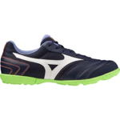 1 | 424.41
10 | Mizuno Morelia Sala Club TF football boots | 1 | 424.41
10 | Mizuno Morelia Sala Club TF football boots | 1 | 424.41
10 | Mizuno Morelia Sala Club TF football boots | 1 | 424.41
10 | Mizuno Morelia Sala Club TF football boots | 1 | 424.41

